EXERCISE
EXERCISE 03

WORKING WITH FORMULAS
1. Calculate the 'Total Sales' for all customers in column D.
2. Autofill the formula down.
3. Calculate the 'Sales Tax' for all customers in column E using the sales tax figure in cell J2.
3. Autofill the formula down. Ensure you have used the correct type of cell referencing.
4. Calculate the 'Total inc Tax' in column F.
5. Autofill the formula down.
6. Change the 'Sales Tax' (J3) to 6% and ensure the values in the table update in column G.
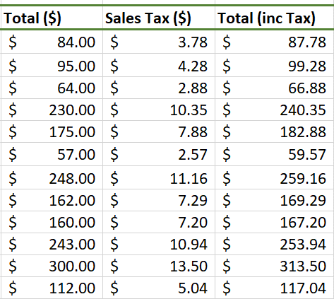

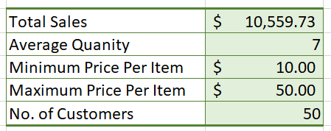
USING FUNCTIONS IN CALCULATIONS

1. In cell I4, calculate the 'Total Sales'.
2. In cell I5, calculate the 'Average Quantity' of items bought by each customer.
3. In cell I6, calculate the 'Minimum Price Per Item'.
4. In cell I7, calculate the 'Maximin Pice Per Item'.
5. In cell I8, calculate the 'Total No. of Customers'.

DASHBOARD
SUM OF PRICE PER ITEMS
 | Total
Andre Parsons | $44.000
Eileen Bates | $44.000
Jeffery Mack | $50.000
Jordan Rodgers | $46.000
Julius Moody | $48.000
Leonard Rhodes | $44.000
Marc Jacobs | $50.000
Ramona White | $46.000
Sonja Henderson | $47.000
Tammy Hansen | $45.000
Terry Abbott | $44.000
SUM OF TOTAL SALES
 | Total
Alexandra Alvarez | $330.00
Andre Parsons | $440.00
Eileen Bates | $396.00
Julius Moody | $336.00
Leonard Rhodes | $396.00
Pete Burton | $300.00
Ramona White | $368.00
Sonja Henderson | $329.00
Tabitha Norman | $288.00
Terry Abbott | $308.00
SUM OF SALES TAX
 | Total
Alexandra Alvarez | 1485%
Andre Parsons | 1980%
Eileen Bates | 1782%
Julius Moody | 1512%
Leonard Rhodes | 1782%
Pete Burton | 1350%
Ramona White | 1656%
Sonja Henderson | 1481%
Tabitha Norman | 1296%
Terry Abbott | 1386%
SUM OF TOTAL INC SALES
 | Total
Alexandra Alvarez | 9.45%
Andre Parsons | 12.60%
Eileen Bates | 11.34%
Julius Moody | 9.62%
Leonard Rhodes | 11.34%
Pete Burton | 8.59%
Ramona White | 10.54%
Sonja Henderson | 9.42%
Tabitha Norman | 8.25%
Terry Abbott | 8.82%
DASHBOARD FOR REPORT SHEETS
$ 339
TOTAL PRICE
$ 10,105
SUM OF QTY
SUM OF TOTAL
$ 1,487
$ 1,487
$ 339
$ 10,105

